Metric Definitions
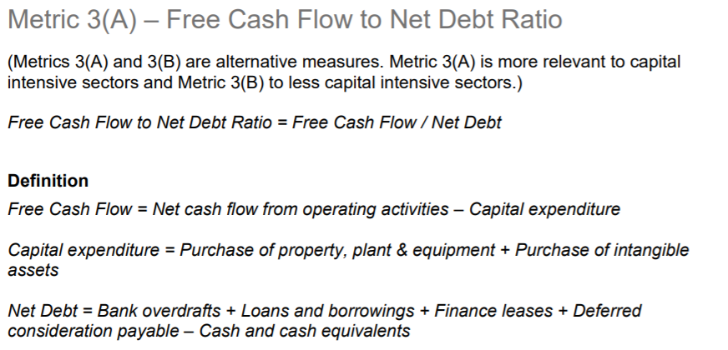
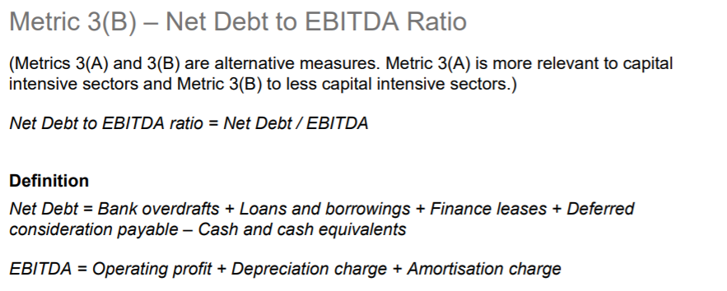
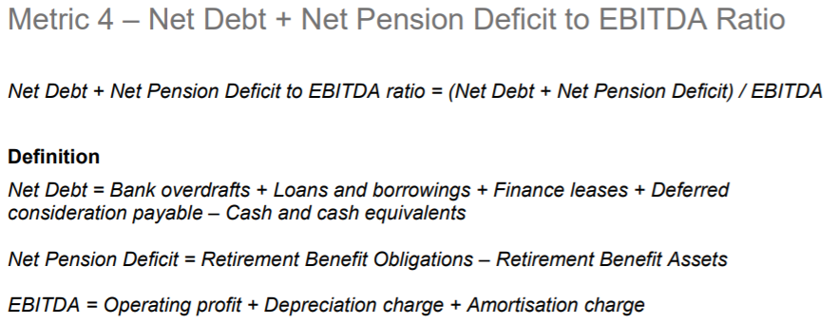
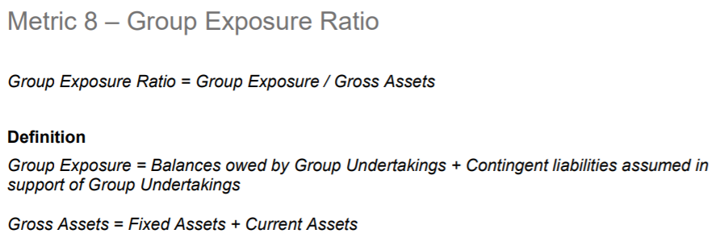
Please see below for the definitions of our 8 Metrics as detailed in our Assessing and Monitoring the Economic and Financial Standing of Suppliers Guidance Note, Appendix I.

