3.Typical Designs
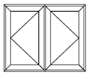
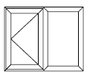
TYPICAL WINDOW DESIGNS

Fixed Casements

Casement Windows

Casement Windows

Reversible Windows
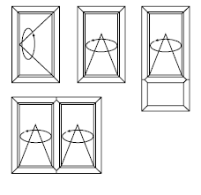

Tilt & Turn Windows
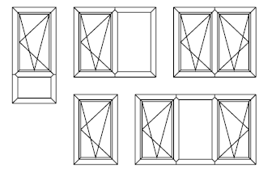

Bay & Bow Windows
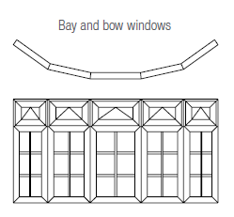

Pivot Windows

