Schedule of work
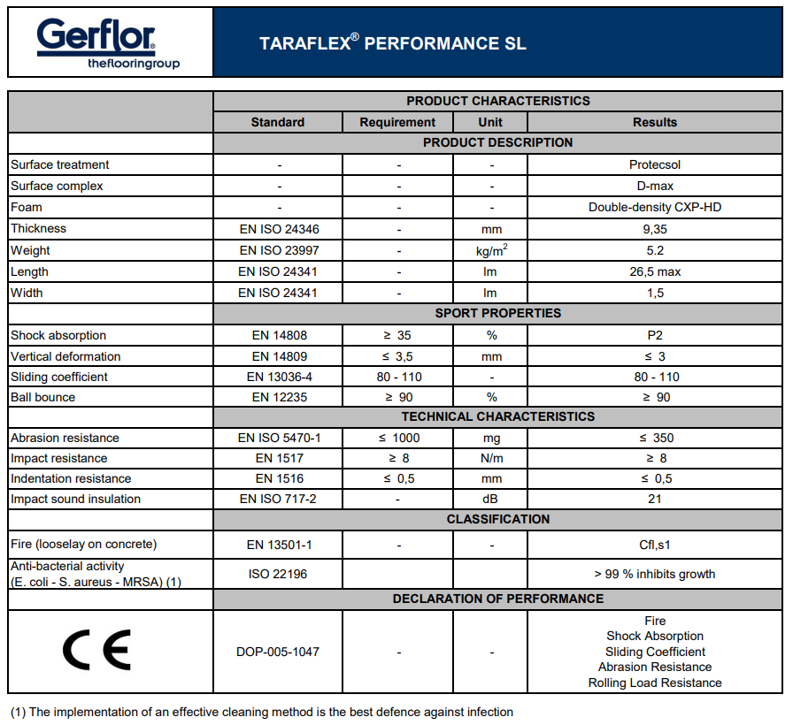
 | SCHEDULE OF WORKS SECTION | £
 | Broadclyst Leisure Centre - Sports Hall (approx. 528m2 including store room - see red line on floor plan)
a | Preliminaries/General requirements - see also separate Preliminaries section
b | Tenders shall include a proposed program of works with preference given to those that minimise business disruption whilst maintaining high standards of health and safety for operatives, building users, and general members of the public. Date for commencement of works: 12th August 2024, completion Friday 30th August.
c | Provide all necessary labour, plant, signage, site security, skips, scaffolding, welfare facilities, edge protection, temporary fencing, mobile access equipment, waste disposal, and insurance etc.
d | All materials, plant and equipment, and the use and installation thereof shall comply with the material, test and other requirements of the relevant British Standard specifications, Codes of Practice, all relevant Institutional regulations statutory requirements and By-laws where applicable
e | All measurements to be verified on site by the Contractor.
f | Allow for moving stored items in and out of store cupboards during works and adequately protecting, and for temporarily removing and reinstating any doors (and any necessary adjustments to these doors in relation to new floor levels).
g | Prepare existing granwood floor in sports hall (and store cupboard) to receive new overlay system, allow for minor filling repairs to existing surface and any adjustments to doors required. See red line on floor plan appended.
h | Supply and lay the Gerflor Taraflex SL Performance loose laid overlay system with double sided tapes and welded seams sheet vinyl in colour '6350 Light Cherry Colour’, in accordance with manufacturer's instructions. https://www.gerflor.co.uk/media/708-taraflex-sl-installation-uk.pdf https://www.gerflor.co.uk/media/virtual-library/tds-taraflex-performance-sl.pdf
i | Carry out line marking with Granpaint Games Line Paint (or equal equivalent) to Sport England guidance, for badminton (white), basketball (black), netball (red), volleyball (green), and five-a-side (yellow), to match existing layout.
 |  | 0

Floor plan

BROADCLYST SPORTS HALL

