Cover Page
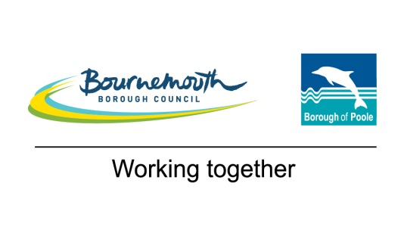

Project Admiral: Refurbishment of town centre tower blocks REFERENCE: DN357714 PROCUREMENT PROCEDURE: EU RESTRICTED

Supplier Response Document
Part H - Price

Name of Tenderer: |  |  | <<Complete full name of tenderer submitting the information>>
Deadline for submission: (UK date and time) |  |  | DATE: | TBC if selected
 |  |  | TIME: | 23:30:00

 | Status: | DRAFT
 | Version: | 0.01
 | Date: | 06/08/2018

Instructions for Tenderers:
Tenderers are referred to the Invitation to Tender for full instructions and information on how price will be evaluated.
Please ensure that all pricing is submitted in GBP exclusive of VAT.
ALL Cells filled BLUE must be completed by the Tenderer and have a numerical value.
Completed tender documents must be submitted in accordance with the instructions given in the Invitation to Tender.

