Title Page

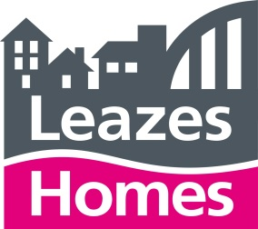

Contract For:

THE PROVISION OF A REPAIRS AND MAINTENANCE SERVICE FOR COMMUNAL LAUNDRY EQUIPMENT AND DISHWASHER EQUIPMENT, CITYWIDE, THROUGHOUT NEWCASTLE UPON TYNE

ITT Schedule 2 - Pricing Schedule

Contract Reference: C-012000

Clients: Newcastle City Council, Your Homes Newcastle and Leazes Homes Limited

Nominated Representative: Your Homes Newcastle Limited

Company Name: (Please Insert Company Name Here)

Information Sheet
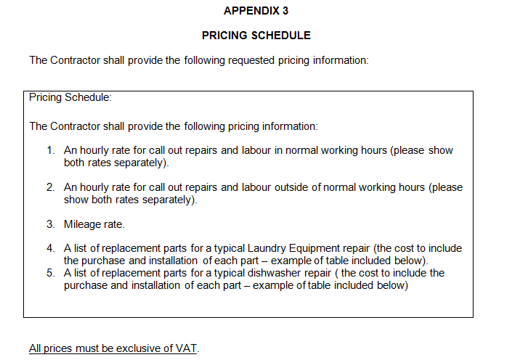
Note: We have stated a specific manufacturer and model / part number, which clearly indicates that we won’t accept an alternative.

