Sheet1
2024-07-11
Date Issued
SITE: | LYNDON WALK |  |  |  |  |  |  |  |  |  |  |  |  |  |  |  |  |  |  |  |  |  |  |  |  |  |  |  |  |  |  |  |  |  |  |  |  |  |  |  |  |  |  |  |  |  |  |  |  |  |  |  |  |  |  |  |  |  |  |  |  |  |  |  |  |  |  |  |  |  |  |  |  |  |  |  |  |  |  |  |  |  |  |  |  |  |  |  |  |  |  |  |  | date to here
Year |  |  | 2024 |  |  |  | 2024 |  |  |  | 2024 |  |  |  |  | 2024 |  |  |  | 2024 |  |  |  | 2024 |  |  |  |  | 2025 |  |  |  | 2025 |  |  |  |  | 2025 |  |  |  | 2025 |  |  |  | 2025 |  |  |  | 2025 |  |  |  |  | 2025 |  |  |  | 2025 |  |  |  | 2025 |  |  |  |  | 2025 |  |  |  | 2025 |  |  |  |  | 2025 |  |  |  | 2026 |  |  |  | 2026 |  |  |  |  | 2026 |  |  |  | 2026 |  |  |  | 2026 |  |  |  |  | 2026 |  |  |  | 2026 |  |  |  |  | 2026 |  |  |  | 2026 |  |  |  | 2026 |  |  |  |  | 2026 |  |  |  |  | 2026 |  |  |  | 2027 |  |  |  |  | 2027 |  |  |  | 2027 |  |  |  | 2027 |  |  |  | 2027 |  |  |  |  | 2027 |  |  |  | 2027 |  |  |  | 2027 |  |  |  |  | 2027 |  |  |  | 2027 |  |  |  |  | 2027 |  |  |  | 2027
Month |  |  | 2024-06-07 |  |  |  | 2024-07-07 |  |  |  | 2024-08-07 |  |  |  |  | 2024-09-07 |  |  |  | 2024-10-07 |  |  |  | 2024-11-07 |  |  |  |  | 2024-12-07 |  |  |  | 2025-01-07 |  |  |  |  | 2025-02-07 |  |  |  | 2025-03-07 |  |  |  | 2025-04-07 |  |  |  | 2025-05-07 |  |  |  |  | 2025-06-07 |  |  |  | 2025-07-07 |  |  |  | 2025-08-07 |  |  |  |  | 2025-09-07 |  |  |  | 2025-10-07 |  |  |  |  | 2025-11-07 |  |  |  |  | 2025-12-07 |  |  |  | 2026-01-07 |  |  |  | 2026-02-07 |  |  |  | 2026-03-07 |  |  |  | 2026-04-07 |  |  |  |  | 2026-05-07 |  |  |  |  | 2026-06-07 |  |  |  | 2026-07-07 |  |  |  | 2026-08-07 |  |  |  | 2026-09-07 |  |  |  |  | 2026-10-07 |  |  |  | 2026-11-07 |  |  |  |  | 2026-12-07 |  |  |  |  | 2027-01-07 |  |  |  | 2027-02-07 |  |  |  | 2027-03-07 |  |  |  | 2027-04-07 |  |  |  |  | 2027-05-07 |  |  |  | 2027-06-07 |  |  |  | 2027-07-07 |  |  |  |  | 2027-08-07 |  |  |  | 2027-09-07 |  |  |  |  | 2027-10-07 |  |  |  | 2027-11-07 |  |  |  | 2027-12-07 |  |  |  |  | 2028-01-07 |  |  |  | 2028-02-07 |  |  |  | 2028-03-07 |  |  |  | 2028-04-07 |  |  |  |  | 2028-05-07 |  |  |  | 2028-06-07 |  |  |  |  | 2028-07-07 |  |  |  | 2028-08-07 |  |  |  | 2028-09-07 |  |  |  |  | 2028-10-07 |  |  |  | 2028-11-07 |  |  |  | 2028-12-07 |  |  |  |  | 2029-01-07 |  |  |  | 2029-02-07 |  |  |  | 2029-03-07
Date (Week Ending Friday) |  |  | 2024-06-07 | 2024-06-14 | 2024-06-21 | 2024-06-28 | 2024-07-05 | 2024-07-12 | 2024-07-19 | 2024-07-26 | 2024-08-02 | 2024-08-09 | 2024-08-16 | 2024-08-23 | 2024-08-30 | 2024-09-06 | 2024-09-13 | 2024-09-20 | 2024-09-27 | 2024-10-04 | 2024-10-11 | 2024-10-18 | 2024-10-25 | 2024-11-01 | 2024-11-08 | 2024-11-15 | 2024-11-22 | 2024-11-29 | 2024-12-06 | 2024-12-13 | 2024-12-20 | 2024-12-27 | 2025-01-03 | 2025-01-10 | 2025-01-17 | 2025-01-24 | 2025-01-31 | 2025-02-07 | 2025-02-14 | 2025-02-21 | 2025-02-28 | 2025-03-07 | 2025-03-14 | 2025-03-21 | 2025-03-28 | 2025-04-04 | 2025-04-11 | 2025-04-18 | 2025-04-25 | 2025-05-02 | 2025-05-09 | 2025-05-16 | 2025-05-23 | 2025-05-30 | 2025-06-06 | 2025-06-13 | 2025-06-20 | 2025-06-27 | 2025-07-04 | 2025-07-11 | 2025-07-18 | 2025-07-25 | 2025-08-01 | 2025-08-08 | 2025-08-15 | 2025-08-22 | 2025-08-29 | 2025-09-05 | 2025-09-12 | 2025-09-19 | 2025-09-26 | 2025-10-03 | 2025-10-10 | 2025-10-17 | 2025-10-24 | 2025-10-31 | 2025-11-07 | 2025-11-14 | 2025-11-21 | 2025-11-28 | 2025-12-05 | 2025-12-12 | 2025-12-19 | 2025-12-26 | 2026-01-02 | 2026-02-06 | 2026-02-13 | 2026-02-20 | 2026-02-27 | 2026-03-06 | 2026-03-13 | 2026-03-20 | 2026-03-27 | 2026-04-03 | 2026-04-10 | 2026-04-17 | 2026-04-24 | 2026-05-01 | 2026-05-08 | 2026-05-15 | 2026-05-22 | 2026-05-29 | 2026-06-05 | 2026-06-12 | 2026-06-19 | 2026-06-26 | 2026-07-03 | 2026-07-10 | 2026-07-17 | 2026-07-24 | 2026-07-31 | 2026-08-07 | 2026-08-14 | 2026-08-21 | 2026-08-28 | 2026-09-04 | 2026-09-11 | 2026-09-18 | 2026-09-25 | 2026-10-02 | 2026-10-09 | 2026-10-16 | 2026-10-23 | 2026-10-30 | 2026-11-06 | 2026-11-13 | 2026-11-20 | 2026-11-27 | 2026-12-04 | 1900-01-11 | 1900-01-18 | 1900-01-25 | 1900-02-01 | 1900-02-08 | 1900-02-15 | 1900-02-22 | 1900-02-28 | 1900-01-31 | 1900-02-07 | 1900-02-14 | 1900-02-21 | 1900-02-28 | 1900-01-07 | 1900-01-14 | 1900-01-21 | 1900-01-28 | 1900-02-04 | 1900-02-11 | 1900-02-18 | 1900-02-25 | 1900-01-02 | 1900-01-09 | 1900-01-16 | 1900-01-23 | 1900-01-30 | 1900-02-06 | 1900-02-13 | 1900-02-20 | 1900-02-27 | 1900-01-04 | 1900-01-11 | 1900-01-18 | 1900-01-25 | 1900-02-01 | 1900-02-08 | 1900-02-15 | 1900-02-22 | 1900-02-28 | 1900-01-05 | 1900-01-12 | 1900-01-19 | 1900-01-26 | 1900-01-03 | 1900-01-10 | 1900-01-17 | 1900-01-24 | 1900-01-31 | 1900-02-07 | 1900-02-14 | 1900-02-21 | 1900-02-28 | 1900-01-05 | 1900-01-12 | 1900-01-19 | 1900-01-26 | 1900-02-02 | 1900-02-09 | 1900-02-16 | 1900-02-23 | 1900-01-30 | 1900-02-06 | 1900-02-13 | 1900-02-20 | 1900-02-27 | 1900-01-06 | 1900-01-13 | 1900-01-20 | 1900-01-27 | 1900-02-03 | 1900-02-10 | 1900-02-17 | 1900-02-24 | 1900-01-01 | 1900-01-08 | 1900-01-15 | 1900-01-22 | 1900-01-29 | 1900-02-05 | 1900-02-12 | 1900-02-19 | 1900-02-26 | 1900-01-03 | 1900-01-10 | 1900-01-17 | 1900-01-24 | 1900-01-31 | 1900-02-07 | 1900-02-14 | 1900-02-21 | 1900-02-28 | 1900-01-04 | 1900-01-11 | 1900-01-18 | 1900-01-25 | 1900-01-02 | 1900-01-09 | 1900-01-16 | 1900-01-23 | 1900-01-30 | 1900-02-06 | 1900-02-13 | 1900-02-20 | 1900-02-27 | 1900-01-04 | 1900-01-11 | 1900-01-18 | 1900-01-25 | 1900-02-01 | 1900-02-08 | 1900-02-15 | 1900-02-22 | 1900-01-29 | 1900-02-05 | 1900-02-12 | 1900-02-19 | 1900-02-26 | 1900-01-05 | 1900-01-12 | 1900-01-19 | 1900-01-26 | 1900-02-02 | 1900-02-09 | 1900-02-16 | 1900-01-23 | 1900-01-30
Plot No | House Type | Sold/ Res
1-3 | BU4 |  |  |  |  |  |  |  | 1 | 1
 |  |  |  |  |  |  |  |  |  | 2
 |  |  |  |  |  |  |  |  |  | 3 | 4
 |  |  |  |  |  |  |  |  |  |  | 5 | 6 |  | 7 | 8 | 8 | 9 | 9 | 10 | 10
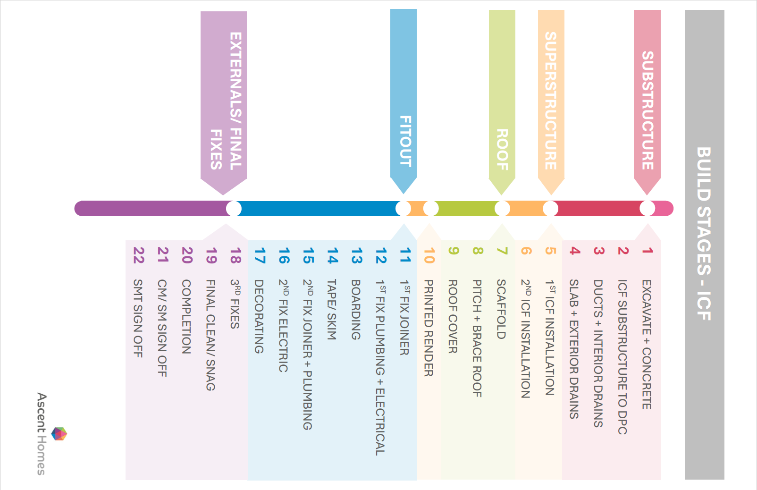
1 | BU4 |  |  |  |  |  |  |  |  |  |  |  |  |  |  |  |  | 11 | 12 | 13 | 14 | 15 | 16 | 17 | 18 | 19
2 | BU4 |  |  |  |  |  |  |  |  |  |  |  |  |  |  |  |  |  | 11 | 12 | 13 | 14 | 15 | 16 | 17 | 18 | 19
3 | BU4 |  |  |  |  |  |  |  |  |  |  |  |  |  |  |  |  |  |  | 11 | 12 | 13 | 14 | 15 | 16 | 17 | 18 | 19

4-5 | BU4 |  |  |  |  |  |  |  | 1 | 1
 |  |  |  |  |  |  |  |  |  | 2
 |  |  |  |  |  |  |  |  |  | 3 | 4
 |  |  |  |  |  |  |  |  |  |  |  | 5 | 6 |  | 7 | 8 |  | 9 | 9 | 10
4 | BU4 |  |  |  |  |  |  |  |  |  |  |  |  |  |  |  |  |  |  |  | 11 | 12 | 13 | 14 | 15 | 16 | 17 | 18 | 19
5 | BU4 |  |  |  |  |  |  |  |  |  |  |  |  |  |  |  |  |  |  |  |  | 11 | 12 | 13 | 14 | 15 | 16 | 17 | 18 | 19

6-8 | BU4 |  |  |  |  |  |  |  |  | 1 | 1
 |  |  |  |  |  |  |  |  |  |  | 2
 |  |  |  |  |  |  |  |  |  |  | 3 | 4
 |  |  |  |  |  |  |  |  |  |  |  |  | 5 | 6 |  |  | 7 | 8 | 8 | 8 | 9 | 9 | 9 | 10 | 10
6 | BU4 |  |  |  |  |  |  |  |  |  |  |  |  |  |  |  |  |  |  |  |  |  | 11 | 12 | 13 | 14 | 15 | 16 | 17 | 18 | 19
7 | BU4 |  |  |  |  |  |  |  |  |  |  |  |  |  |  |  |  |  |  |  |  |  |  | 11 | 12 | 13 | 14 | 15 | 16 | 17 | 18 |  |  | 19
8 | BU4 |  |  |  |  |  |  |  |  |  |  |  |  |  |  |  |  |  |  |  |  |  |  |  | 11 | 12 | 13 | 14 | 15 | 16 | 17 |  |  | 18 | 19

9-10 | BU4 |  |  |  |  |  |  |  |  |  | 1
 |  |  |  |  |  |  |  |  |  |  | 2
 |  |  |  |  |  |  |  |  |  |  | 3 | 4
 |  |  |  |  |  |  |  |  |  |  |  |  |  | 5 | 6 |  |  |  | 7 | 8 | 8 | 8 | 9 | 9 | 10
9 | BU4 |  |  |  |  |  |  |  |  |  |  |  |  |  |  |  |  |  |  |  |  |  |  |  |  | 11 | 12 | 13 | 14 | 15 | 16 |  |  | 17 | 18 | 19
10 | BU4 |  |  |  |  |  |  |  |  |  |  |  |  |  |  |  |  |  |  |  |  |  |  |  |  |  | 11 | 12 | 13 | 14 | 15 |  |  | 16 | 17 | 18 | 19

11-12 | BU4 |  |  |  |  |  |  |  |  |  |  | 1
 |  |  |  |  |  |  |  |  |  |  |  | 2
 |  |  |  |  |  |  |  |  |  |  |  | 3 | 4
 |  |  |  |  |  |  |  |  |  |  |  |  |  |  | 5 | 6 |  |  |  |  |  | 7 | 8 | 8 | 9 | 9 | 9 | 10 | 10
11 | BU4 |  |  |  |  |  |  |  |  |  |  |  |  |  |  |  |  |  |  |  |  |  |  |  |  |  |  | 11 | 12 | 13 | 14 |  |  | 15 | 16 | 17 | 18 | 19
12 | BU4 |  |  |  |  |  |  |  |  |  |  |  |  |  |  |  |  |  |  |  |  |  |  |  |  |  |  |  | 11 | 12 | 13 |  |  | 14 | 15 | 16 | 17 | 18 | 19
13 | BU4 |  |  |  |  |  |  |  |  |  |  |  |  |  |  |  |  |  |  |  |  |  |  |  |  |  |  |  |  | 11 | 12 |  |  | 13 | 14 | 15 | 16 | 17 | 18 | 19
 |  |  |  |  |  |  |  |  |  |  |  |  |  |  |  |  |  |  |  |  |  |  |  |  |  |  |  |  |  |  |  |  |  |  |  |  |  |  |  |  | 20

