LOTS England (not SW)
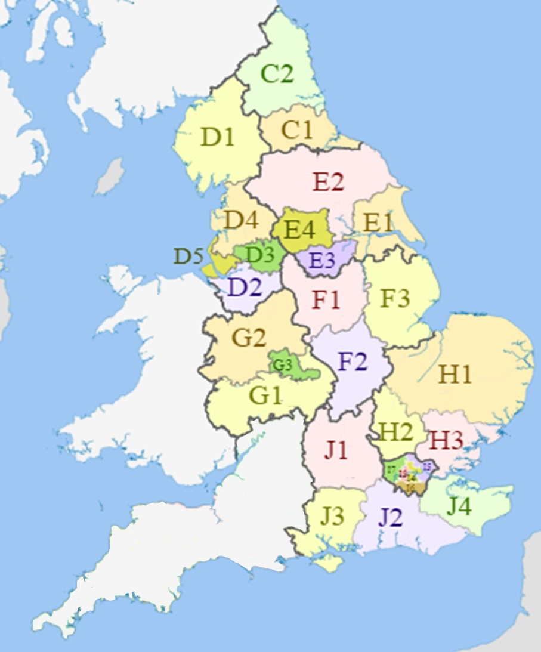
Instructions for Bidders: Please confirm which lot/s you are submitting bid/s for.
Lots |  |  |  |  | Map
Region | NUTS Code | Local government area | Lot | From the drop down (which will appear when you click on the cell): Select "Home" to confirm your home area; Select "Operate" for those areas you are willing to operate in; and Select "No Offer" for those areas you ar not prepared to operate.
UKC, UKD, UKE North East England, North West England, Yorkshire and Humber | UKC1 | Tees Valley and Durham | Lot E1 |  |  | Yes
 | UKC2 | Northumberland and Tyne and Wear |  |  |  | No
 | UKD1 | Cumbria
 | UKD2 | Cheshire
 | UKD3 | Greater Manchester
 | UKD4 | Lancashire
 | UKD7 | Merseyside
 | UKE1 | East Riding and North Lincolnshire
 | UKE2 | North Yorkshire
 | UKE3 | South Yorkshire
 | UKE4 | West Yorkshire
UKF, UKG East Midlands, West Midlands | UKF1 | Derbyshire and Nottinghamshire | Lot E2
 | UKF2 | Leicestershire , Rutland and Northamptonshire
 | UKF3 | Lincolnshire
 | UKG1 | Herefordshire, Worcestershire and Warwickshire
 | UKG2 | Shropshire and Staffordshire
 | UKG3 | West Midlands
UKH, UKJ East of England, South East England | UKH1 | East Anglia | Lot E3
 | UKH2 | Bedfordshire and Hertfordshire
 | UKH3 | Essex
 | UKJ1 | Berkshire, Buckinghamshire, and Oxfordshire
 | UKJ2 | Surrey, East and West Sussex
 | UKJ3 | Hampshire and Isle of Wight
 | UKJ4 | Kent
UKI London | UKI | London | Lot E4

