LOTS Wales
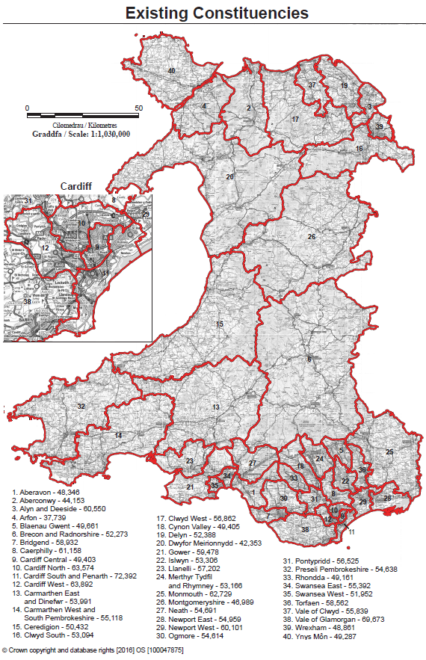
Instructions for Bidders: Please confirm which lot/s you are submitting bid/s for.
Lots |  |  |  |  | Map
Region | Constituancy areas | Lot | From the drop down (which will appear when you click on the cell): Select "Home" to confirm your home area; Select "Operate" for those areas you are willing to operate in; and Select "No Offer" for those areas you ar not prepared to operate.
UKL North Wales, Mid Wales, South Wales | 2.Aberconwy | Lot W1 |  |  |  | Home
 | 3.Alyn and Deeside - |  |  |  |  | Operate
 | 39. Wrexham –
 | 16. Clwyd South - |  |  |  |  | No Offer
 | 19. Delyn –
 | 37. Vale of Clwyd –
 | 4. Arfon –
 | 40. Ynys Môn -
 | 15. Ceredigion
 | 6. Brecon and Radnorshire –
 | 13. Carmarthen East and Dinefwr -
 | 14. Carmarthen West and South Pembrokeshire -
 | 20. Dwyfor Meirionnydd –
 | 26. Montgomeryshire -
 | 32. Preseli Pembrokeshire -
 | 12. Cardiff West -
 | 25. Monmouth -
 | 30. Ogmore –
 | 31. Pontypridd -
 | 33. Rhondda –
 | 35. Swansea West -
 | 38. Vale of Glamorgan –
 | 8. Caerphilly
 | 9. Cardiff Central -
 | 1. Aberavon –
 | 10. Cardiff North –
 | 11. Cardiff South and Penarth –
 | 17. Clwyd West -
 | 18. Cynon Valley –
 | 21. Gower -
 | 22. Islwyn -
 | 23. Llanelli -
 | 24. Merthyr Tydfil and Rhymney -
 | 27. Neath -
 | 28. Newport East –
 | 29. Newport West –
 | 34. Swansea East –
 | 36. Torfaen –
 | 5. Blaenau Gwent -
 | 7. Bridgend -
 |  |  |  | not offered

