Lots Southwest England
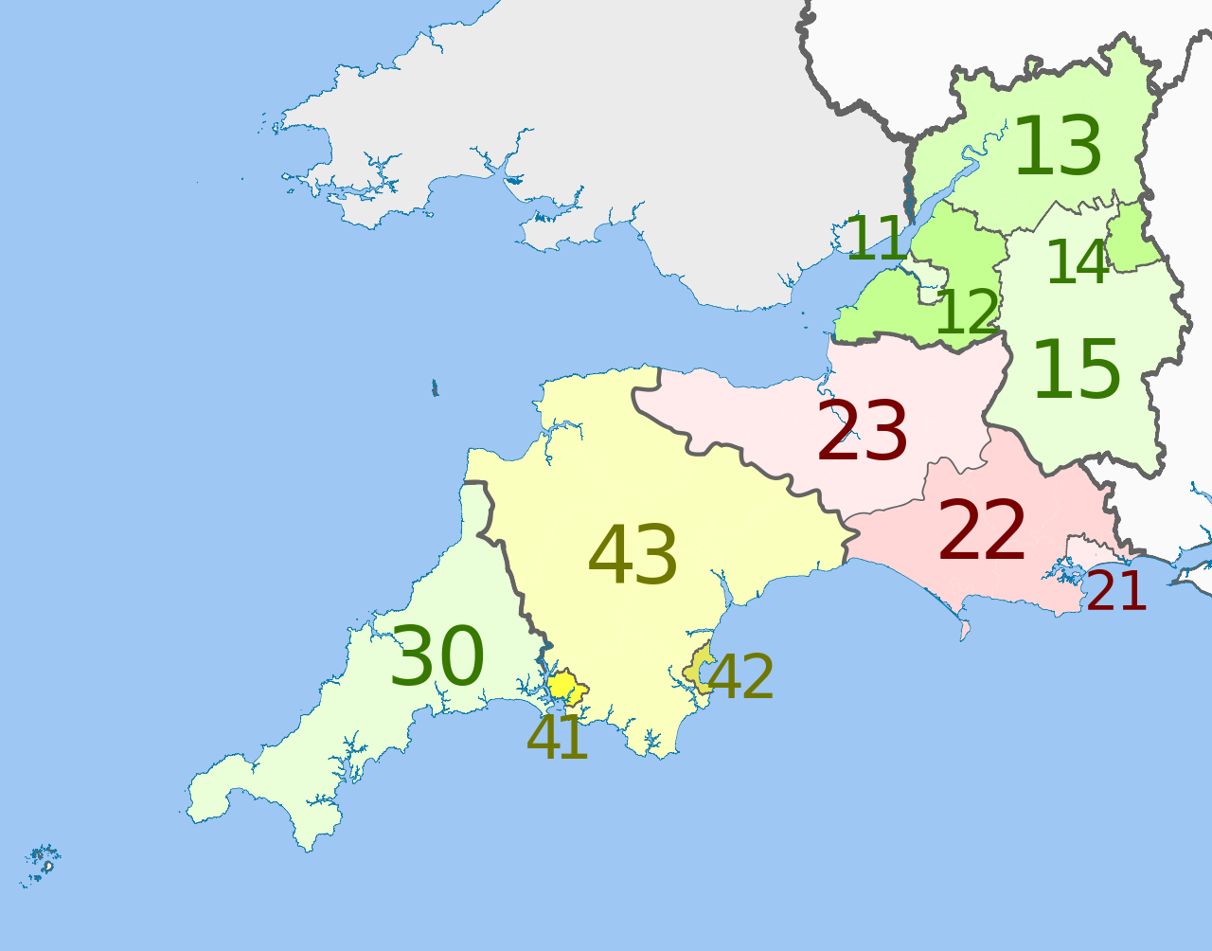
Instructions for Bidders: Please confirm which lot/s you are submitting bid/s for.
Lots |  |  |  |  | Map
Region | NUTS Code | Local government area | Lot | From the drop down (which will appear when you click on the cell): Select "Home" to confirm your home area; Select "Operate" for those areas you are willing to operate in; and Select "No Offer" for those areas you ar not prepared to operate.
UKK1, UKK2, UKK3, UKK4 Gloucestershire, Wiltshire, Bristol, Bath, Dorset, Somerset, Cornwall, Isles of Scilly and Devon Region | UKK11 | Bristol City Council | Lot SW1 |  |  | no offer | Engineering Services
 | UKK12 | Bath and North East Somerset |  |  |  | Combined | Design services
 | UKK12 | North Somerset Council |  |  |  |  | Site Services
 | UKK12 | South Gloucestershire District Council |  |  |  |  | no service offered
 | UKK13 | Gloucester City Council
 | UKK13 | Cotswold
 | UKK13 | Cheltenham Borough Council
 | UKK13 | Gloucester Council
 | UKK13 | Forest of Dean District Council
 | UKK13 | Tewkesbury Borough Council
 | UKK13 | Stroud District Council
 | UKK14 | Swindon Borough Council
 | UKK15 | Wiltshire Council
 | UKK21 | Bournemouth Borough Council
 | UKK21 | Poole District Council
 | UKK21 | Christchurch Borough Council
 | UKK22 | East Dorset District Council
 | UKK22 | Purbeck
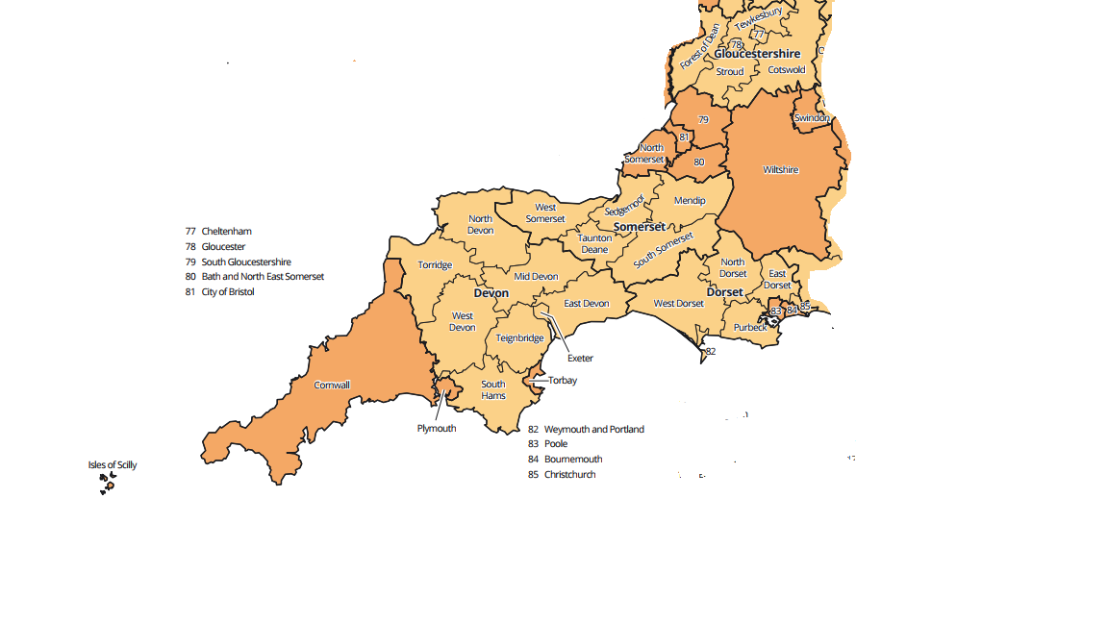
 | UKK22 | North Dorset District Council
 | UKK22 | Weymouth & Portland Borough Council
 | UKK22 | West Dorset District Council
 | UKK23 | Sedgemoor
 | UKK23 | Mendip District council
 | UKK23 | South Somerset District Council
 | UKK23 | Taunton Deane Borough Council
 | UKK23 | West Somerset District Councils
 | UKK30 | Cornwall with EX postcode
 | UKK30 | Cornwall with PL postcode
 | UKK30 | Cornwall with TR postcode
 | UKK30 | Isle of Scilly
 | UKK41 | Plymouth
 | UKK42 | Torbay Council
 | UKK43 | South Hams District Council
 | UKK43 | Teignbridge District Council
 | UKK43 | Mid Devon District Council
 | UKK43 | East Devon District Council
 | UKK43 | North Devon District Council
 | UKK43 | Torridge District Council
 | UKK43 | West Devon Borough Council
 | UKK44 | Exeter

