Categories
 |  |  |  |  | General Builders DPS - Categories & Geography

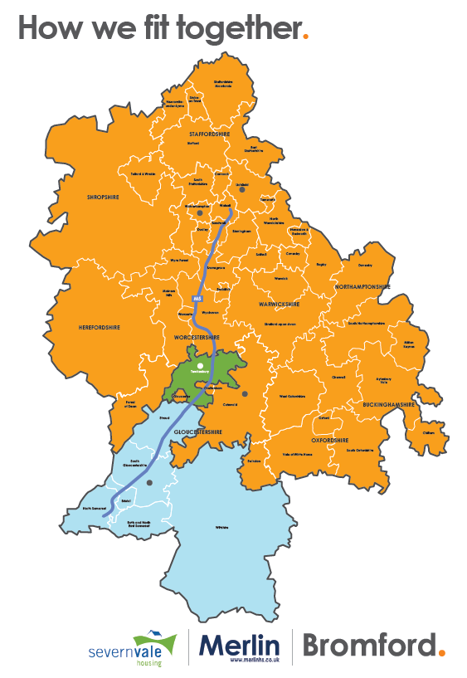
Category No. | Example Category Name | 7/7 Service Provided | Staffordshire | Shropshire | West Midlands | Herefordshire | Worcestershire | Warwickshire | Northamptonshire | Gloucestershire | Oxfordshire | Wiltshire | Somerset | Buckinghamshire
0 | Example | N | S | S | Y | Y | Y | Y | N | S | N | N | N | N

1 | Groundworks | 7/7 Service | Staffordshire | Shropshire | West Midlands | Herefordshire | Worcestershire | Warwickshire | Northamptonshire | Gloucestershire | Oxfordshire | Wiltshire | Somerset | Buckinghamshire
1.1 | Excavation Works
1.2 | Road Construction
1.3 | Foundations
1.4 | Civil Engineering Works
1.5 | Concreting of Floors
1.6 | Flagging, Patios & Block Paving

2 | Brickwork | 7/7 Service | Staffordshire | Shropshire | West Midlands | Herefordshire | Worcestershire | Warwickshire | Northamptonshire | Gloucestershire | Oxfordshire | Wiltshire | Somerset | Buckinghamshire
2.1 | Internal Brickwork
2.2 | External Brickwork

3 | Fencing & Gates | 7/7 Service | Staffordshire | Shropshire | West Midlands | Herefordshire | Worcestershire | Warwickshire | Northamptonshire | Gloucestershire | Oxfordshire | Wiltshire | Somerset | Buckinghamshire
3.1 | Domestic Fencing & Gates
3.2 | Commercial Fencing & Gates

4 | Drainage | 7/7 Service | Staffordshire | Shropshire | West Midlands | Herefordshire | Worcestershire | Warwickshire | Northamptonshire | Gloucestershire | Oxfordshire | Wiltshire | Somerset | Buckinghamshire
4.1 | Drain Installation
4.2 | Drain Cleaning
4.3 | Drain Inspection & Repair
4.4 | Drain Relining
4.5 | Manhole Installation
4.6 | Manhole Inspection
4.7 | Sewer Inspections
4.8 | Sewer Repairs
4.9 | Tankering & Waste Clearance

5 | Windows & Doors | 7/7 Service | Staffordshire | Shropshire | West Midlands | Herefordshire | Worcestershire | Warwickshire | Northamptonshire | Gloucestershire | Oxfordshire | Wiltshire | Somerset | Buckinghamshire
5.1 | Supply and Install
5.2 | Install Only
5.3 | Glazing

6 | Inronmongery | 7/7 Service | Staffordshire | Shropshire | West Midlands | Herefordshire | Worcestershire | Warwickshire | Northamptonshire | Gloucestershire | Oxfordshire | Wiltshire | Somerset | Buckinghamshire
6.1 | Internal Ironmongery
6.2 | External Ironmongery

7 | Roofing | 7/7 Service | Staffordshire | Shropshire | West Midlands | Herefordshire | Worcestershire | Warwickshire | Northamptonshire | Gloucestershire | Oxfordshire | Wiltshire | Somerset | Buckinghamshire
7.1 | New Build/Extensions
7.2 | Re-Roofing
7.3 | Roof Repairs
7.4 | Flat Roofing (torch on felt)
7.5 | Flat Roofing (rubber EPDM)
7.6 | Lead work (flashings, valleys etc)
7.7 | Pitch Ups (from flat roofing to pitched)
7.8 | Chimney repairs & re-points
7.9 | Chimney Removal
7.10 | Guttering

8 | Heating & Gas | 7/7 Service | Staffordshire | Shropshire | West Midlands | Herefordshire | Worcestershire | Warwickshire | Northamptonshire | Gloucestershire | Oxfordshire | Wiltshire | Somerset | Buckinghamshire
8.1 | General Heating Services
8.2 | Boiler Servicing & Repair
8.3 | New Boiler Installation
8.4 | Central Heating Installation
8.5 | Central Heating Repairs
8.6 | Radiators & Towel Rails Installs & Repairs
8.7 | Renewables

9 | Plumbing | 7/7 Service | Staffordshire | Shropshire | West Midlands | Herefordshire | Worcestershire | Warwickshire | Northamptonshire | Gloucestershire | Oxfordshire | Wiltshire | Somerset | Buckinghamshire
9.1 | Bathroom Plumbing Installations
9.2 | Kitchen Plumbing Installations
9.3 | Bathroom Plumbing Repairs
9.4 | Kitchen Plumbing Repairs
9.5 | Pipe Repairs

10 | Joinery | 7/7 Service | Staffordshire | Shropshire | West Midlands | Herefordshire | Worcestershire | Warwickshire | Northamptonshire | Gloucestershire | Oxfordshire | Wiltshire | Somerset | Buckinghamshire
10.1 | Internal Joinery
10.2 | External Joinery
10.3 | First Fix Joinery
10.4 | Second Fix Joinery
10.5 | Hanging of doors
10.6 | Stairs - Repair, Supply & Installation
10.7 | Fitted Wardrobes
10.8 | Balustrades - Supply & Installation

11 | Electrical | 7/7 Service | Staffordshire | Shropshire | West Midlands | Herefordshire | Worcestershire | Warwickshire | Northamptonshire | Gloucestershire | Oxfordshire | Wiltshire | Somerset | Buckinghamshire
11.1 | CCTV Installation, Door Entry, Warden Call /Alarms
11.2 | TV & Radio Aerials / Lighting Conductors
11.3 | Alarms and Emergency Lighting
11.4 | Rewires
11.5 | Maintenance of Electrics
11.6 | New Installation of Electrics
11.7 | PAT Testing
11.8 | Electrical Safety Checks

12 | Kitchens & Bathrooms (incl. Wetrooms) | 7/7 Service | Staffordshire | Shropshire | West Midlands | Herefordshire | Worcestershire | Warwickshire | Northamptonshire | Gloucestershire | Oxfordshire | Wiltshire | Somerset | Buckinghamshire
12.1 | Kitchens - Supply and Install
12.2 | Kitchens - Installs Only
12.3 | Bathrooms - Supply and Install
12.4 | Bathrooms - Install Only
12.5 | Wetrooms - Supply and Install
12.6 | Wetrooms - Install Only
12.7 | Kitchens & Bathrooms (incl. Wetrooms) - Supply and Install
12.8 | Kitchens & Bathrooms (incl. Wetrooms) - Install Only
12.9 | Tiling

13 | Plastering | 7/7 Service | Staffordshire | Shropshire | West Midlands | Herefordshire | Worcestershire | Warwickshire | Northamptonshire | Gloucestershire | Oxfordshire | Wiltshire | Somerset | Buckinghamshire
13.1 | Plastering
13.2 | Plaster Repairs
13.3 | Damp and Water Damage Repair
13.4 | Boarding
13.5 | Skimming
13.6 | Artex Removal
13.7 | Artex Re-Covering
13.8 | Dry Linin
13.9 | Ceiling Reboarding
13.10 | Rendering

14 | Insulation | 7/7 Service | Staffordshire | Shropshire | West Midlands | Herefordshire | Worcestershire | Warwickshire | Northamptonshire | Gloucestershire | Oxfordshire | Wiltshire | Somerset | Buckinghamshire
14.1 | Cavity Wall Insulation - Supply and Install
14.2 | External Wall Insulation - Supply and Install
14.3 | Loft / Roof Insulation - Supply and Install

15 | Aids & Adaptations | 7/7 Service | Staffordshire | Shropshire | West Midlands | Herefordshire | Worcestershire | Warwickshire | Northamptonshire | Gloucestershire | Oxfordshire | Wiltshire | Somerset | Buckinghamshire
15.1 | Internal Aids/Adaptions - Supply and Install
15.2 | External Aids/Adaptations - Supply and Install
15.3 | Internal & External Aids/Adaptations - Supply and Install

16 | Working at Heights | 7/7 Service | Staffordshire | Shropshire | West Midlands | Herefordshire | Worcestershire | Warwickshire | Northamptonshire | Gloucestershire | Oxfordshire | Wiltshire | Somerset | Buckinghamshire
16.1 | Scaffolding Hire
16.2 | Cherry Picker Hire
16.3 | Working at Heights Equipment

17 | Decoration Services | 7/7 Service | Staffordshire | Shropshire | West Midlands | Herefordshire | Worcestershire | Warwickshire | Northamptonshire | Gloucestershire | Oxfordshire | Wiltshire | Somerset | Buckinghamshire
17.1 | Decoration - Internal Only
17.2 | Decoration - External Only

18 | Landscaping & Grounds Maintenance | 7/7 Service | Staffordshire | Shropshire | West Midlands | Herefordshire | Worcestershire | Warwickshire | Northamptonshire | Gloucestershire | Oxfordshire | Wiltshire | Somerset | Buckinghamshire
18.1 | Landscaping
18.2 | Grounds Maintenance

19 | Flooring | 7/7 Service | Staffordshire | Shropshire | West Midlands | Herefordshire | Worcestershire | Warwickshire | Northamptonshire | Gloucestershire | Oxfordshire | Wiltshire | Somerset | Buckinghamshire
19.1 | Supply & Install (including Vinyl, Carpet, Tiles, etc)
19.2 | Supply & Install of specialist flooring

20 | Clearance & Cleaning | 7/7 Service | Staffordshire | Shropshire | West Midlands | Herefordshire | Worcestershire | Warwickshire | Northamptonshire | Gloucestershire | Oxfordshire | Wiltshire | Somerset | Buckinghamshire
20.1 | Clearance
20.2 | Cleaning

